Ⅱ.Manual_#single item
Fill in according to the Report on Chemical Substances Contained in the Product(ver.10.0).
含有化学物質報告書（ver.10.0）に合わせて記入ください。
・Parts name : 製品名(Product Name/ 对象零件名称)
・SDP parts code : ＳＤＰ部品コード(SDP Part Code/ SDP零件编号)
・Supplier parts code :メーカー型番(Manufacturer's Model Code/ 生产商零件编号)
・SPEC mass (mg)^{*1} : 製品質量［g］(Product Weight [g]/ 产品质量［g］)
*Excluding those that do not remain at the point of use, such as packing material and protective film.
梱包材料及び保護フィルムなどの使用時に残らない物を除く。
Parts environment survey sheet Please report all the substances written in the list. ( Look at SDP GREEN procurement standard. ) As we need to edit the files afterwards, please “do not” protect these files.

Please fill in all blanks by your side.
 |  |  |  |  |  |  |  |  |  |  |  |  |  |  |  |  |  |  |  |  |  |  |  |  |  |  |  |  |  |  |  |  |  |  |  |  |  |  |  |  |  |  | Date :
Parts name | Parts name. |  |  |  |  |  |  |  |  |  |  |  |  |  |  |  |  |  |  |  |  |  |  |  |  |  |  |  |  |  |  |  |  |  |  |  |  |  |  |  |  |  | Company name :
SDP parts code | SDP specification parts code. |  |  |  |  |  |  |  |  |  |  |  |  |  |  |  |  |  |  |  |  |  |  |  |  |  |  |  |  |  |  |  |  |  |  |  |  |  |  |  |  |  | Responsible :
Supplier parts code | Supplier specification parts code. |  |  |  |  |  |  |  |  |  |  |  |  |  |  |  |  |  |  |  |  |  |  |  |  |  |  |  |  |  |  |  |  |  |  |  |  |  |  |  |  |  | Telephone number :
SPEC mass (mg) | Total weight. (=Σ(E)) |  |  |  |  |  |  |  |  |  |  |  |  |  |  |  |  |  |  |  |  |  |  |  |  |  |  |  |  |  |  |  |  |  |  |  |  |  |  |  |  |  | Mail address :

Parts information |  |  |  |  | The information on single parts
 |  |  |  |  | Part information |  |  |  |  |  | Chemicals information |  |  |  |  |  |  |  | Analysis data information
Parts name < Note > Of a parts code specified by it under each part name and its sparing it below if this part is a set article. | 1pcs Weight (mg) | Use Qty (pcs) | Total weight (mg) | Weight ratio (wt%) | Homogeneous material | Supplier name | Model number | Material standard name | 1pcs Weight (mg) | Weight ratio (wt%) | Chemicals name | CAS No. | Purpose of use | 1pcs Weight (mg) | Weight ratio (wt%) | RoHS exemption code (2011/65/EU) | ELV exemption code (2013/28/EU) | Remark | File name of analysis report | Number of analysis report | Analysis report date | Analytical agents | Agents: ISO/IEC 17025 certified? (Yes / No) | Result of analysis (ppm) / Method of analysis
 |  |  |  |  |  |  |  |  |  |  |  |  |  |  |  |  |  |  |  |  |  |  |  | RoHS |  |  |  |  |  |  |  |  |  |  |  |  |  |  |  |  |  |  |  | Halogen

 |  |  |  |  |  |  |  |  |  |  |  |  |  |  |  |  |  |  |  |  |  |  |  | Lead |  | Mercury |  | Cadmium |  | Hexavalent chromium |  | PBB |  | PBDE |  | BBP |  | DBP |  | DEHP |  | DIBP |  | Bromine |  | Chlorine
=Σ(K)
= (C)×(D)
=Σ(P)
 |  |  |  |  |  |  |  |  |  |  |  |  |  |  |  |  |  |  |  |  |  |  |  | Result | Method | Result | Method | Result | Method | Result | Method | Result | Method | Result | Method | Result | Method | Result | Method | Result | Method | Result | Method | Result | Method | Result | Method
Flexible printed circuit board | 1,003.0000 | 1.0000 | 1,003.0000 | 100.0000 | Cover layer | BBBBB Co., | BBBB-0001 | JAMAxxxxx | 200.0000 | 19.9402 | Polyimide | 25038-81-7 | Main material | 180.0000 | 90.0000 | - |  |  | ICP_001_CV | 2011-01000-01 | Dec 09, 2011 | ○○ Co., Ltd. | Yes | <2 | ICP-AES | <2 | ICP-AES | <2 | ICP-AES | <2 | UV-VIS | <5 | GC-MS | <5 | GC-MS | <50 | GC-MS | <50 | GC-MS | <50 | GC-MS | <50 | GC-MS | - | - | - | -
 |  |  |  |  |  |  |  |  |  |  | Other | Confidential | Adjuster | 20.0000 | 10.0000 | - |  |  | ICP_002_CV | 2011-01000-02 | Dec 09, 2011 | ○○ Co., Ltd. | Yes | - | - | - | - | - | - | - | - | - | - | - | - | - | - | - | - | - | - | - | - | <50 | IC | <50 | IC
 |  |  |  |  | Conductor layer | CCCCC Co., | CCCC-1000 | JAMAxxxxx | 400.0000 | 39.8804 | Copper | 7440-50-8 | Main material | 400.0000 | 100.0000 | Pb=Impurity |  | Lead in the copper alloy | ICP_003_Conductor_layer | 2011-00500 | Nov 01, 2011 | ○○ Co., Ltd. | Yes | 15 | ICP-AES | <2 | ICP-AES | <2 | ICP-AES | <2 | UV-VIS | <5 | GC-MS | <5 | GC-MS | <50 | GC-MS | <50 | GC-MS | <50 | GC-MS | <50 | GC-MS | - | IC | - | IC
 |  |  |  |  | Stiffener | BBBBB Co., | BBBB-0002 | JAMAxxxxx | 100.0000 | 9.9701 | Polyimide | 25038-81-7 | Base material | 99.0000 | 99.0000 | - |  |  | ICP_004_Stiffener | 2011-01001 | Dec 12, 2011 | ○○ Co., Ltd. | Yes | <2 | ICP-AES | <2 | ICP-AES | <2 | ICP-AES | <2 | UV-VIS | <5 | GC-MS | <5 | GC-MS | <50 | GC-MS | <50 | GC-MS | <50 | GC-MS | <50 | GC-MS | <50 | IC | <50 | IC
 |  |  |  |  |  |  |  |  |  |  | Other | Confidential | Adjuster | 1.0000 | 1.0000 | -
 |  |  |  |  | Adhesive A | DDDD Co., | DDDD-A01 | JAMAxxxxx | 100.0000 | 9.9701 | Acrylic resin | Confidential | Base material | 95.0000 | 95.0000 | - |  |  | ICP_005_Adhesive A | 2011-00030 | Sep 16, 2011 | ○○ Co., Ltd. | Yes | <2 | ICP-AES | <2 | ICP-AES | <2 | ICP-AES | <2 | UV-VIS | <5 | GC-MS | <5 | GC-MS | <50 | GC-MS | <50 | GC-MS | <50 | GC-MS | <50 | GC-MS | <50 | IC | <50 | IC
 |  |  |  |  |  |  |  |  |  |  | Other | Confidential | Adjuster | 5.0000 | 5.0000 | -
 |  |  |  |  | Adhesive B | DDDD Co., | DDDD-B01 | JAMAxxxxx | 200.0000 | 19.9402 | Acrylic resin | Confidential | Base material | 184.0000 | 92.0000 | - |  |  | ICP_006_Adhesive B | 2011-00031 | Sep 16, 2011 | ○○ Co., Ltd. | Yes | <2 | ICP-AES | <2 | ICP-AES | <2 | ICP-AES | <0.02 | UV-VIS | <5 | GC-MS | <5 | GC-MS | <50 | GC-MS | <50 | GC-MS | <50 | GC-MS | <50 | GC-MS | <50 | IC | <50 | IC
 |  |  |  |  |  |  |  |  |  |  | Other | Confidential | Adjuster | 16.0000 | 8.0000 | -
 |  |  |  |  | Inner plating | EEEE Co., | EEEE-Ni-0001 | JAMAxxxx | 2.5000 | 0.2493 | Nickel | 7440-02-0 | Main material | 2.5000 | 100.0000 | - |  |  | ICP_007_Inner plating | 2012-00018 | Jan 05, 2012 | ○○ Co., Ltd. | Yes | <2 | ICP-AES | <2 | ICP-AES | <2 | ICP-AES | <2 | UV-VIS | - | GC-MS | - | GC-MS | - | GC-MS | - | GC-MS | - | GC-MS | - | GC-MS | - | IC | - | IC
 |  |  |  |  | External plating | EEEE Co., | EEEE-Au-0001 | JAMAxxxx | 0.5000 | 0.0499 | Gold | 7440-57-5 | Main material | 0.5000 | 100.0000 | - |  |  | ICP_008_External plating | 2012-00018 | Jan 05, 2012 | ○○ Co., Ltd. | Yes | <2 | ICP-AES | <2 | ICP-AES | <2 | ICP-AES | <2 | UV-VIS | - | GC-MS | - | GC-MS | - | GC-MS | - | GC-MS | - | GC-MS | - | GC-MS | - | IC | - | IC
Total to 100%!/ 合計を100%に!／总计100％！
Total to 100%!/ 合計を100%に!／总计100％！

Fill out detail of chemical substance contained in a homogeneous material./
均質材料に含まれる（素材を構成している）化学物質の詳細情報を記入ください。／
请填写均质材料中所含的（构成原料的）化学物质的详细信息
・Chemicals name : Name of the chemical substance/ 化学物質名称／化学物质名称
(Good e.g. : Gold, Nickel, Antimony ......)
・CAS No. : CAS番号／CAS编号
・Purpose of use : The use application or purpose of the chemical substance/
化学物質の使用用途、目的／化学物质的使用用途、目的
・1 pcs weight(mg) : Weight of the chemical substance/ 単位重量／单位重量
・Weight ratio(％) : Weight ratio of each the chemical substance(％)/
化学物質毎の重量比／每种化学物质的重量比
・RoHS exemption code : 該当RoHS指令除外項目 符合的RoHS指令豁免项目
When you write RoHS exemption codes, please refer to European Commission's Web site
(http://ec.europa.eu/environment/waste/rohs_eee/legis_en.htm).
・ELV exemption code : 該当ELV指令除外項目 符合的ELV指令豁免项目
When you write ELV exemption codes, please refer to European Commission's Web site
(http://ec.europa.eu/environment/waste/elv/legislation_en.htm).
・Remark : 備考 备考
Write information of analysis report./
分析レポートの情報を記載してください。／
请填写分析报告的信息
・File name of analysis report : 分析レポートのファイル名／
分析报告的文件名
・Issue number of analysis report : 発行番号／发行编号
・Analysis reporrt date (issue date) : 発行日／发行日期
・Name of analytical agents : 分析機関名／分析机构名称
・Is agents certified IEC-17025? : IEC-17025認定分析機関ですか？
／是否为IEC-17025认证的分析机构？
※Please refer to sheet Ⅳ, Ⅴ for analysis report submission./
分析レポートの提出形態について別シートⅣ、Ⅴを参照ください。
／关于分析报告的提交形态，请参考附表Ⅳ、Ⅴ。
Fill out result of the analysis report./ 分析レポートの結果を記載してください。／ 请填写分析报告的结果
・Result : If an analysis result is not detectable (ND), please write the lower limit or method detection limit (ex,: <2) ./
分析結果検出されない場合（ND）は検出限界値(例:<2) を書いてください。／
如未检出分析结果（ND），请填写检出界限值（例如：<2）。
・Method(ex,: ICP-AES, IPS-OES, AAS, UV-Vis, GC-MS, etc.) : 分析方法(例：ICP-AES, IPS-OES, AAS, UV-Vis, GC-MS等)／
分析方法（例如：ICP-AES, IPS-OES, AAS, UV-Vis, GC-MS等）
Fill out information by the parts./
部品の情報を記入してください。／
请按个零部件填写
・Parts name : Name of the parts/ 部品名称／零部件名称
・1 pcs weight(mg) : weight/1 pcs/ 重量/個／重量/个
・Use Qty(pcs) : Quantity/ 員数／个数
・Total weight(mg) : Total weight of parts used/
部品総重量／零部件总重量
・Weight ratio(wt%) : Weight ratio of each the parts/
部品毎の重量比／每种零部件的重量比
Fill out information by each the homogeneous material.^{*3}/
均質材料ごとに記入してください。／
请按每均质材料记载
・Homogeneous material : Name of the homogeneous material/
均質材料の名称／均质材料名称
・Supplier name : Name of the supplier or manufacturer/
納入または生産企業名／供应或生产公司名称
・Model number : Model number of the homogeneous material/
均質材料のモデル名／均质材料型号编码
・Material standard name : Material standerd ofthe homogeneous material/
均質材料の材料規格／均质材料的材料标准
・1 pcs weight(mg) : Weight of the homogeneous material/ 単位重量／单位重量
・Weight ratio(wt%) : Weight ratio of each the homogeneous material(％)/
均質材料毎の重量比／每种均质材料的重量比
*3. Please refer to "VI. Homogeneous material"./
「Ⅵ.Homogeneous material」を参照。／请参阅“VI. Homogeneous material”

Total |  |  | 1,003.0000 |  | Total |  |  |  | 1,003.0000 |  | Total |  |  |  | - | - |  | - |  |  |  |  |  |  |  |  |  |  |  |  |  |  |  |  |  |  |  |  |  |  |  |  |  |  |  |  | Ver. 3.0

Ⅲ.Manual_#assembly item
Fill out according to the "Report on Chemical Substances Contained in the Product(ver.10.0)".
「含有化学物質報告書（ver.10.0）」に合わせて記入ください。
・Parts name : 製品名(Product Name/ 对象零件名称)
・SDP parts code : ＳＤＰ部品コード(SDP Part Code/ SDP零件编号)
・Supplier parts code :メーカー型番(Manufacturer's Model Code/ 生产商零件编号)
・SPEC mass (mg)^{*1} : 製品質量［g］(Product Weight [g]/ 产品质量［g］)
*Excluding those that do not remain at the point of use, such as packing material and protective film.
梱包材料及び保護フィルムなどの使用時に残らない物を除く。
Parts environment survey sheet Please report all the substances written in the list. ( Look at SDP GREEN procurement standard. ) As we need to edit the files afterwards, please “do not” protect these files.

Please fill in all blanks by your side.
 |  |  |  |  |  |  |  |  |  |  |  |  |  |  |  |  |  |  |  |  |  |  |  |  |  |  |  |  |  |  |  |  |  |  |  |  |  |  |  |  |  |  | Date :
Parts name | Parts name. |  |  |  |  |  |  |  |  |  |  |  |  |  |  |  |  |  |  |  |  |  |  |  |  |  |  |  |  |  |  |  |  |  |  |  |  |  |  |  |  |  | Company name :
SDP parts code | SDP specification parts code. |  |  |  |  |  |  |  |  |  |  |  |  |  |  |  |  |  |  |  |  |  |  |  |  |  |  |  |  |  |  |  |  |  |  |  |  |  |  |  |  |  | Responsible :
Supplier parts code | Supplier specification parts code. |  |  |  |  |  |  |  |  |  |  |  |  |  |  |  |  |  |  |  |  |  |  |  |  |  |  |  |  |  |  |  |  |  |  |  |  |  |  |  |  |  | Telephone number :
SPEC mass (mg) | Total weight. (=Σ(E)) |  |  |  |  |  |  |  |  |  |  |  |  |  |  |  |  |  |  |  |  |  |  |  |  |  |  |  |  |  |  |  |  |  |  |  |  |  |  |  |  |  | Mail address :

Parts information |  |  |  |  | The information on single parts
 |  |  |  |  | Part information |  |  |  |  |  | Chemicals information |  |  |  |  |  |  |  | Analysis data information
Parts name < Note > Of a parts code specified by it under each part name and its sparing it below if this part is a set article. | 1pcs Weight (mg) | Use Qty (pcs) | Total weight (mg) | Weight ratio (wt%) | Homogeneous material | Supplier name | Model number | Material standard name | 1pcs Weight (mg) | Weight ratio (wt%) | Chemicals name | CAS No. | Purpose of use | 1pcs Weight (mg) | Weight ratio (wt%) | RoHS exception code (2011/65/EU) | ELV exception code (2013/28/EU) | Remark | File name of analysis report | Number of analysis report | Analysis report date | Analytical agents | Agents: ISO/IEC 17025 certified? (Yes / No) | Result of analysis (ppm) / Method of analysis
 |  |  |  |  |  |  |  |  |  |  |  |  |  |  |  |  |  |  |  |  |  |  |  | RoHS |  |  |  |  |  |  |  |  |  |  |  |  |  |  |  |  |  |  |  | Halogen

 |  |  |  |  |  |  |  |  |  |  |  |  |  |  |  |  |  |  |  |  |  |  |  | Lead |  | Mercury |  | Cadmium |  | Hexavalent chromium |  | PBB |  | PBDE |  | PBB |  | PBDE |  | PBB |  | PBDE |  | Bromine |  | Chlorine
=Σ(K)
= (C)×(D)
Total to 100%!/ 合計を100%に!／总计100％！
=Σ(P)
Total to 100%!/ 合計を100%に!／总计100％！
 |  |  |  |  |  |  |  |  |  |  |  |  |  |  |  |  |  |  |  |  |  |  |  | Result | Method | Result | Method | Result | Method | Result | Method | Result | Method | Result | Method | Result | Method | Result | Method | Result | Method | Result | Method | Result | Method | Result | Method
PCBxxxxxx-01-xxxxx | 18,300.0000 | 1.0000 | 18,300.0000 | 98.9826 | Prepreg | BBBBB Co., | BBBB-0001 | JAMAxxxxx | 10,000.0000 | 54.6448 | glass fiber | 65997-17-3 | Main Substance | 6,000.0000 | 60.0000 |  |  |  | ICP_FPC_001 | 2011-01000-01 | Dec 09, 2011 | ○○ Co., Ltd. | Yes | <2 | ICP-OES | <2 | ICP-OES | <2 | ICP-OES | <2 | UV-Vis | <5 | GC-MS | <5 | GC-MS | <50 | GC-MS | <50 | GC-MS | <50 | GC-MS | <50 | GC-MS | 61,648 | IC | 444 | IC
Printed Circuit Board |  |  |  |  |  |  |  |  |  |  | epoxy resin | 26265-08-7 | Main Substance | 4,000.0000 | 40.0000 |  |  |  |  |  | Dec 09, 2011 | ○○ Co., Ltd. | Yes |  |  |  |  |  |  |  |  |  |  |  |  |  |  |  |  |  |  |  |  | <10 | IC | <10 | IC
 |  |  |  |  | Copper Foil in CCL | CCCCC Co., | CCCC-1000 | JAMAxxxxx | 3,000.0000 | 16.3934 | Copper | 7440-50-8 | Main Substance | 2,880.0000 | 96.0000 |  |  |  | ICP_FPC_002 | 2011-01000-01 | Nov 01, 2011 | ○○ Co., Ltd. | Yes | <2 | ICP-OES | <2 | ICP-OES | <2 | ICP-OES | Negative | UV-Vis | <5 | GC-MS | <5 | GC-MS | <50 | GC-MS | <50 | GC-MS | <50 | GC-MS | <50 | GC-MS | <10 | IC | <10 | IC
 |  |  |  |  |  |  |  |  |  |  | Chromium | 7440-47-3 | Impurity | 30.0000 | 1.0000
 |  |  |  |  |  |  |  |  |  |  | Nickel | 7440-02-0 | Impurity | 30.0000 | 1.0000
 |  |  |  |  |  |  |  |  |  |  | Zinc | 7440-66-6 | Impurity | 30.0000 | 1.0000
 |  |  |  |  |  |  |  |  |  |  | Arsenic | 7440-38-2 | Impurity | 30.0000 | 1.0000
 |  |  |  |  | Copper Foil | CCCCC Co., | CCCC-2000 | JAMAxxxxx | 4,000.0000 | 21.8579 | Copper | 7440-50-8 | Main Substance | 4,000.0000 | 100.0000 |  |  |  | ICP_FPC_003 | 2011-01000-01 | Jan 05, 2012 | ○○ Co., Ltd. | Yes | <2 | ICP-OES | <2 | ICP-OES | <2 | ICP-OES | Negative | UV-Vis | <5 | GC-MS | <5 | GC-MS | <50 | GC-MS | <50 | GC-MS | <50 | GC-MS | <50 | GC-MS | <50 | IC | <50 | IC
 |  |  |  |  | Solder Mask Ink | BBBBB Co., | BBBB-0002 | JAMAxxxxx | 600.0000 | 3.2787 | Heavy aromatic solvent naphtha (petroleum) | 64742-94-5 | Main Substance | 48.0000 | 8.0000 |  |  |  | ICP_FPC_004 | 2011-01000-01 | Jan 05, 2012 | ○○ Co., Ltd. | Yes | <2 | ICP-OES | <2 | ICP-OES | <2 | ICP-OES | <2 | UV-Vis | <5 | GC-MS | <5 | GC-MS | <50 | GC-MS | <50 | GC-MS | <50 | GC-MS | <50 | GC-MS | <10 | IC | 821 | IC
 |  |  |  |  |  |  |  |  |  |  | Light aromatic solvent naphtha (petroleum) | 64742-95-6 | Main Substance | 6.0000 | 1.0000
 |  |  |  |  |  |  |  |  |  |  | Silica | 14808-60-7 | Main Substance | 6.0000 | 1.0000
Formula/ 数式／ 数值公式
E37=C37*SUM(D37,D38,D39)
90.0000=10.0000*(1.0000+6.0000+2.0000)
 |  |  |  |  |  |  |  |  |  |  | Non-Hazardous ingredient | － | Main Substance | 540.0000 | 90.0000
 |  |  |  |  | Legend Ink | DDDD Co., | DDDD-B01 | JAMAxxxxx | 100.0000 | 0.5464 | Epoxy Resin | 25085-99-8 | Main Substance | 50.0000 | 50.0000 |  |  |  | ICP_FPC_005 | 2011-01000-01 | Sep 16, 2011 | ○○ Co., Ltd. | Yes | <2 | ICP-AES | <2 | ICP-AES | <2 | ICP-AES | <2 | UV-Vis | <5 | GC-MS | <5 | GC-MS | <50 | GC-MS | <50 | GC-MS | <50 | GC-MS | <50 | GC-MS | <50 | IC | 225 | IC
 |  |  |  |  |  |  |  |  |  |  | Barium Sulfate | 7727-43-7 | Main Substance | 15.0000 | 15.0000
 |  |  |  |  |  |  |  |  |  |  | Titanium Dioxide | 13463-67-7 | Main Substance | 30.0000 | 30.0000
 |  |  |  |  |  |  |  |  |  |  | Naphtha | 8030-30-6 | Main Substance | 5.0000 | 5.0000
 |  |  |  |  | Immersion Gold | EEEE Co., | EEEE-Ni-0001 | JAMAxxxx | 200.0000 | 1.0929 | Gold | 7440-57-5 | Main Substance | 200.0000 | 100.0000 |  |  |  | ICP_FPC_006 | 2011-01000-01 | Nov 01, 2011 | ○○ Co., Ltd. | Yes | <2 | ICP-AES | <2 | ICP-AES | <2 | ICP-AES | <2 | UV-Vis | <5 | GC-MS | <5 | GC-MS | <50 | GC-MS | <50 | GC-MS | <50 | GC-MS | <50 | GC-MS | <50 | IC | <50 | IC
 |  |  |  |  | Immersion Nickel | EEEE Co., | EEEE-Au-0001 | JAMAxxxx | 400.0000 | 2.1858 | Nickel | 7440-02-0 | Main Substance | 400.0000 | 100.0000 |  |  |  | ICP_FPC_007 | 2011-01000-01 | Dec 12, 2011 | ○○ Co., Ltd. | Yes | <2 | ICP-OES | <2 | ICP-OES | <2 | ICP-OES | <2 | UV-Vis | <5 | GC-MS | <5 | GC-MS | <50 | GC-MS | <50 | GC-MS | <50 | GC-MS | <50 | GC-MS | <50 | IC | <50 | IC
Raaaaa-105-xxxxx | 10.0000 | 1.0000 | 90.0000 | 0.4868 | Alumina Substrate | DDDD Co., | DDDD-B01 | JAMAxxxxx | 1.0000 | 10.0000 | Aluminum oxide | 1344-28-1 | Main material | 0.9700 | 97.0000 |  |  |  | Uniohm 1 | 2011-00030 | Dec 09, 2011 | ○○ Co., Ltd. | Yes | <2 | ICP-AES | <2 | ICP-AES | <2 | UV-VIS | <50 | GC-MS | <5 | GC-MS | <5 | IC | <50 | GC-MS | <50 | IC | <50 | GC-MS | <50 | IC | <50 | IC
Rbbbbb-105-xxxxx |  | 6.0000 |  |  |  |  |  |  |  |  | Silicon oxide | 14808-60-7 | Adjuster | 0.0100 | 1.0000
Rccccc-105-xxxxx |  | 2.0000 |  |  |  |  |  |  |  |  | Magnesium oxide | 1309-48-4 | Adjuster | 0.0100 | 1.0000
Resistor |  |  |  |  |  |  |  |  |  |  | Calcium oxide | 1305-78-8 | Adjuster | 0.0100 | 1.0000
 |  |  |  |  | Termination | BBBBB Co., | BBBB-0001 | JAMAxxxxx | 5.0000 | 50.0000 | Silver | 7440-22-4 | Main material | 5.0000 | 100.0000 |  |  |  | Uniohm 2a | 2011-01001 | Dec 09, 2011 | ○○ Co., Ltd. | Yes | <2 | ICP-OES | <2 | ICP-OES | <2 | UV-VIS | <5 | GC-MS | <5 | GC-MS | <5 | IC | <50 | GC-MS | <50 | IC | <50 | GC-MS | <50 | IC | <50 | IC
・Parts number(Required)*1/ 部品番号(必須)／零部件号（必填）
・Quantity(pcs) *1/ 員数／个数
*1. Fill out accordance with the parts list for specifications./
仕様書のパーツリストに合わせて記入ください。／
根据零件清单填写规格
・parts name (Lower)/ 部品名称(下段)／部品名称（下段）
 |  |  |  |  | Resistive Element | BBBBB Co., | BBBB-0001 | JAMAxxxxx | 1.0000 | 10.0000 | Rubidium oxide | 12036-10-1 | Adjuster | 0.1000 | 10.0000 |  |  |  | Uniohm 5a | 2011-00030 | Dec 09, 2011 | ○○ Co., Ltd. | Yes | <2 | ICP-AES | <2 | ICP-AES | <2 | UV-VIS | <5 | GC-MS | <5 | GC-MS | <5 | IC | <50 | GC-MS | <50 | IC | <50 | GC-MS | <50 | IC
 |  |  |  |  |  |  |  |  |  |  | Lead oxide (PbO) | 1317-36-8 | Main material | 0.5000 | 50.0000 | 7c-1 |  |  | Uniohm 5b | 2011-00031 | Nov 01, 2011 | ○○ Co., Ltd. | Yes |  |  |  |  |  |  |  |  |  |  |  |  |  |  |  |  |  |  |  |  | <50 | IC | <50 | IC
For assembly item, plaese create rows by each parts composite assembly item.
組品の場合は、構成部品単位の行で書いてください。
 |  |  |  |  |  |  |  |  |  |  | Silicon oxide | 14808-60-7 | Adjuster | 0.1000 | 10.0000
 |  |  |  |  |  |  |  |  |  |  | Boric oxide | 1303-86-2 | Adjuster | 0.1000 | 10.0000
 |  |  |  |  |  |  |  |  |  |  | Alminum oxide | 1344-28-1 | Adjuster | 0.1000 | 10.0000
 |  |  |  |  |  |  |  |  |  |  | Zinc oxide | 1314-13-2 | Adjuster | 0.1000 | 10.0000
 |  |  |  |  | Protective Coating (G1) | BBBBB Co., | BBBB-0002 | JAMAxxxxx | 1.0000 | 10.0000 | Bismuth oxide | 1304-76-3 | Main material | 0.6000 | 60.0000 |  |  |  | Uniohm 6a | 2011-01001 | Dec 09, 2011 | ○○ Co., Ltd. | Yes | <2 | ICP-OES | <2 | ICP-OES | <2 | UV-VIS | <55 | GC-MS | <5 | GC-MS | <10 | IC | <50 | GC-MS | <10 | IC | <50 | GC-MS | <10 | IC | <10 | IC
 |  |  |  |  |  |  |  |  |  |  | Silicon oxide | 14808-60-7 | Main material | 0.3000 | 30.0000 |  |  |  | Uniohm 6b | 2011-00030 | Dec 09, 2011 | ○○ Co., Ltd. | Yes
 |  |  |  |  |  |  |  |  |  |  | Chromium(Ⅲ) oxide | 1308-38-9 | Main material | 0.1000 | 10.0000
 |  |  |  |  | Termination Between) Ni Barrier | BBBBB Co., | BBBB-0001 | JAMAxxxxx | 1.0000 | 10.0000 | Nickel | 7440-02-0 | Main material | 1.0000 | 100.0000 |  |  |  | Uniohm 8 | 2011-00031 | Nov 01, 2011 | ○○ Co., Ltd. | Yes | <2 | ICP-AES | <2 | ICP-AES | Negative | UV-VIS | <5 | GC-MS | <5 | GC-MS | <5 | IC | <50 | GC-MS | <50 | IC | <50 | GC-MS | <50 | IC | <50 | IC
 |  |  |  |  | Termination(Outer)Sn | CCCCC Co., | CCCC-1000 | JAMAxxxxx | 1.0000 | 10.0000 | Tin | 7440-31-5 | Main material | 1.0000 | 100.0000 |  |  |  | Uniohm 9 | 2012-00018 | Dec 12, 2011 | ○○ Co., Ltd. | Yes | <2 | ICP-OES | <2 | ICP-OES | Negative | UV-VIS | <5 | GC-MS | <5 | GC-MS | <5 | IC | <50 | GC-MS | <50 | IC | <50 | GC-MS | <50 | IC | <50 | IC
Cxxxxxx-1005-xxxxx | 2.0000 | 8.0000 | 16.0000 | 0.0865 | Ceramic Body | BBBBB Co., | BBBB-0001 | JAMAxxxxx | 1.6000 | 80.0000 | Barium Titanate (BaTiO3) | 12047-27-7 | Main Substance | 1.6000 | 80.0000 |  |  |  | ICP_Capacitor_001 | 2011-01001 | Dec 09, 2011 | ○○ Co., Ltd. | Yes | <50 | ICP-OES | <2 | ICP-OES | <2 | ICP-OES | <1 | UV-Vis | <5 | GC-MS | <5 | GC-MS | <50 | GC-MS | <50 | GC-MS | <50 | GC-MS | <50 | GC-MS | <50 | IC | 74 | IC
Capacitor 1 |  |  |  |  | Inner Electrode | CCCCC Co., | CCCC-1000 | JAMAxxxxx | 0.2000 | 10.0000 | Nickel(Ni) | 7440-02-0 | Main Substance | 0.2000 | 10.0000 |  |  |  | ICP_Capacitor_002 | 2011-00030 | Dec 09, 2011 | ○○ Co., Ltd. | Yes | <50 | ICP-OES | <2 | ICP-OES | <2 | ICP-OES | <1 | UV-Vis | <5 | GC-MS | <5 | GC-MS | <50 | GC-MS | <50 | GC-MS | <50 | GC-MS | <50 | GC-MS | <50 | IC | <50 | IC
 |  |  |  |  | Termination | BBBBB Co., | BBBB-0002 | JAMAxxxxx | 0.0200 | 1.0000 | Copper(Cu) | 7440-50-8 | Main Substance | 0.0200 | 1.0000 |  |  |  | ICP_Capacitor_003 | 2011-00031 | Nov 01, 2011 | ○○ Co., Ltd. | Yes | <50 | ICP-OES | <2 | ICP-OES | <2 | ICP-OES | <1 | UV-Vis | <5 | GC-MS | <5 | GC-MS | <50 | GC-MS | <50 | GC-MS | <50 | GC-MS | <50 | GC-MS | <50 | IC | <50 | IC
 |  |  |  |  | Termination (1st Plating) | DDDD Co., | DDDD-A01 | JAMAxxxxx | 0.0200 | 1.0000 | Nickel(Ni) | 7440-02-0 | Plating | 0.0200 | 1.0000 |  |  |  | ICP_Capacitor_004 | 2012-00018 | Dec 12, 2011 | ○○ Co., Ltd. | Yes | <50 | ICP-OES | <2 | ICP-OES | <2 | ICP-OES | <1 | UV-Vis | <5 | GC-MS | <5 | GC-MS | <50 | GC-MS | <50 | GC-MS | <50 | GC-MS | <50 | GC-MS | <50 | IC | <50 | IC
 |  |  |  |  | Termination (2nd Plating) | DDDD Co., | DDDD-B01 | JAMAxxxxx | 0.1600 | 8.0000 | Tin(Sn) | 7440-31-5 | Plating | 0.1600 | 8.0000 |  |  |  | ICP_Capacitor_005 | 2012-00018 | Sep 16, 2011 | ○○ Co., Ltd. | Yes | <50 | ICP-OES | <2 | ICP-OES | <2 | ICP-OES | <1 | UV-Vis | <5 | GC-MS | <5 | GC-MS | <50 | GC-MS | <50 | GC-MS | <50 | GC-MS | <50 | GC-MS | <50 | IC | <50 | IC
Cxxxxxx-1006-xxxxx | 4.0000 | 8.0000 | 32.0000 | 0.1731 | Ceramic Body | BBBBB Co., | BBBB-0001 | JAMAxxxxx | 3.2000 | 80.0000 | Barium Titanate (BaTiO3) | 12047-27-7 | Main Substance | 3.2000 | 80.0000 |  |  |  | ICP_Capacitor_001 | 2011-01001 | Dec 09, 2011 | ○○ Co., Ltd. | Yes | <50 | ICP-OES | <2 | ICP-OES | <2 | ICP-OES | <1 | UV-Vis | <5 | GC-MS | <5 | GC-MS | <50 | GC-MS | <50 | GC-MS | <50 | GC-MS | <50 | GC-MS | <50 | IC | 74 | IC
Capacitor 2 |  |  |  |  | Inner Electrode | CCCCC Co., | CCCC-1000 | JAMAxxxxx | 0.4000 | 10.0000 | Nickel(Ni) | 7440-02-0 | Main Substance | 0.4000 | 10.0000 |  |  |  | ICP_Capacitor_002 | 2011-00030 | Dec 09, 2011 | ○○ Co., Ltd. | Yes | <50 | ICP-OES | <2 | ICP-OES | <2 | ICP-OES | <1 | UV-Vis | <5 | GC-MS | <5 | GC-MS | <50 | GC-MS | <50 | GC-MS | <50 | GC-MS | <50 | GC-MS | <50 | IC | <50 | IC
 |  |  |  |  | Termination | BBBBB Co., | BBBB-0002 | JAMAxxxxx | 0.0400 | 1.0000 | Copper(Cu) | 7440-50-8 | Main Substance | 0.0400 | 1.0000 |  |  |  | ICP_Capacitor_003 | 2011-00031 | Nov 01, 2011 | ○○ Co., Ltd. | Yes | <50 | ICP-OES | <2 | ICP-OES | <2 | ICP-OES | <1 | UV-Vis | <5 | GC-MS | <5 | GC-MS | <50 | GC-MS | <50 | GC-MS | <50 | GC-MS | <50 | GC-MS | <50 | IC | <50 | IC
 |  |  |  |  | Termination (1st Plating) | DDDD Co., | DDDD-A01 | JAMAxxxxx | 0.0400 | 1.0000 | Nickel(Ni) | 7440-02-0 | Plating | 0.0400 | 1.0000 |  |  |  | ICP_Capacitor_004 | 2012-00018 | Dec 12, 2011 | ○○ Co., Ltd. | Yes | <50 | ICP-OES | <2 | ICP-OES | <2 | ICP-OES | <1 | UV-Vis | <5 | GC-MS | <5 | GC-MS | <50 | GC-MS | <50 | GC-MS | <50 | GC-MS | <50 | GC-MS | <50 | IC | <50 | IC
 |  |  |  |  | Termination (2nd Plating) | DDDD Co., | DDDD-B01 | JAMAxxxxx | 0.3200 | 8.0000 | Tin(Sn) | 7440-31-5 | Plating | 0.3200 | 8.0000 |  |  |  | ICP_Capacitor_005 | 2012-00018 | Sep 16, 2011 | ○○ Co., Ltd. | Yes | <50 | ICP-OES | <2 | ICP-OES | <2 | ICP-OES | <1 | UV-Vis | <5 | GC-MS | <5 | GC-MS | <50 | GC-MS | <50 | GC-MS | <50 | GC-MS | <50 | GC-MS | <50 | IC | <50 | IC
Sxxxxxx-02-xxxxx | 50.0000 | 1.0000 | 50.0000 | 0.2704 | Solder Paste | EEEE Co., | EEEE-Ni-0001 | JAMAxxxx | 50.0000 | 100.0000 | Tin | 7440-31-5 | Main material | 47.5000 | 95.0000 |  |  |  | ICP_Solder | 2011-00030 | Jan 05, 2012 | ○○ Co., Ltd. | Yes | 224 | ICP-OES | <2 | ICP-OES | <0.5 | ICP-OES | <1 | UV-VIS | <5 | GC-MS | <5 | GC-MS | <50 | GC-MS | <50 | GC-MS | <50 | GC-MS | <50 | GC-MS | - | - | - | -
Solder Paste |  |  |  |  |  |  |  |  |  |  | Silver | 7440-22-4 | Main material | 2.0000 | 4.0000
 |  |  |  |  |  |  |  |  |  |  | Copper | 7440-50-8 | Main material | 0.5000 | 1.0000
Ixxxxxxx-03-xxxxx | 0.1000 | 1.0000 | 0.1000 | 0.0005 | Ink | BBBBB Co., | BBBB-0001 | JAMAxxxxx | 0.0900 | 90.0000 | Methylethylketon | 78-93-3 | Confidential | 0.0540 | 60.0000 |  |  |  | ICP_Ink_001 | 2011-00030 | Dec 09, 2011 | ○○ Co., Ltd. | Yes | <2 | ICP-OES | <2 | ICP-OES | <2 | ICP-OES | <2 | UV-VIS | <5 | GC-MS | <5 | GC-MS | <50 | GC-MS | <50 | GC-MS | <50 | GC-MS | <50 | GC-MS | <50 | IC | <50 | IC
Marking Ink |  |  |  |  |  |  |  |  |  |  | Methanol | 67-56-1 | Confidential | 0.0180 | 20.0000
 |  |  |  |  |  |  |  |  |  |  | Cr(III)Complex Dye | Confidential | Confidential | 0.0090 | 10.0000
 |  |  |  |  |  |  |  |  |  |  | Others | Confidential | Confidential | 0.0090 | 10.0000
 |  |  |  |  | Makeup Ink | DDDD Co., | DDDD-A01 | JAMAxxxxx | 0.0100 | 10.0000 | Methylethylketon | 78-93-3 | Confidential | 0.0080 | 80.0000 |  |  |  | ICP_Ink_002 | 2011-00030 | Jan 05, 2012 | ○○ Co., Ltd. | Yes | <2 | ICP-OES | <2 | ICP-OES | <2 | ICP-OES | <2 | UV-VIS | <5 | GC-MS | <5 | GC-MS | <50 | GC-MS | <50 | GC-MS | <50 | GC-MS | <50 | GC-MS | <50 | IC | <50 | IC
 |  |  |  |  |  |  |  |  |  |  | Methanol | 67-56-1 | Confidential | 0.0020 | 20.0000

Fill in the result of analysis report.
分析レポートの結果を記入ください。
・Result ＊If an analysis result is not detectable (ND), Fill in the lower limit or method detection limit (Ex.:<2)
分析結果 分析結果が未検出(ND)の場合は検出限界値(例:<2) を記入ください。
・Method ＊Ex.:ICP-AES, IPS-OES, AAS, UV-Vis, GC-MS, etc.
分析方法 例：ICP-AES, IPS-OES, AAS, UV-Vis, GC-MS等
Fill out information by each the parts./
部品ごとに記入してください。／
请按每个零部件填写
・Parts name : Number of the parts/ 部品番号／零部件号
・1 pcs weight(mg) : weight/1 pcs/ 重量/個／重量/个
・Use Qty(pcs) : Quantity/ 員数／个数
・Total weight(mg) : Total weight of parts used/
部品総重量／零部件总重量
・Weight ratio(wt%) : Weight ratio of each the parts/
部品毎の重量比／每种零部件的重量比
※ Fill out all of the Auxiliary materials that are used in unit.
(ex,: Solder, label, ink, markers, adhesive, etc.)/
組品に使用しているすべての副資材を記入ください。
(例：半田、ラベル、インク、マーカー、接着材など)／
填写单位使用的所有辅助材料 （例如：焊料，标签，墨水，标记，粘合剂等）
Fill out information by each the homogeneous material.^{*3}/
均質材料ごとに記入してください。／
请按每均质材料记载
・Homogeneous material : Name of the homogeneous material/
均質材料の名称／均质材料名称
・Supplier name : Name of the supplier or manufacturer/
納入または生産企業名／供应或生产公司名称
・Model number : Model number of the homogeneous material/
均質材料のモデル名／均质材料型号编码
・Material standard name : Material standerd ofthe homogeneous material/
均質材料の材料規格／均质材料的材料标准
・1 pcs weight(mg) : Weight of the homogeneous material/ 単位重量／单位重量
・Weight ratio(wt%) : Weight ratio of each the homogeneous material(％)/
均質材料毎の重量比／每种均质材料的重量比
*3. Please refer to "VI. Homogeneous material"./
「Ⅵ.Homogeneous material」を参照。／请参阅“VI. Homogeneous material”
Fill out detail of chemical substance contained in a homogeneous material./
均質材料に含まれる（素材を構成している）化学物質の詳細情報を記入ください。／
请填写均质材料中所含的（构成原料的）化学物质的详细信息
・Chemicals name : Name of the chemical substance/ 化学物質名称／化学物质名称
(Good e.g. : Gold, Nickel, Antimony ......)
・CAS No. : CAS番号／CAS编号
・Purpose of use : The use application or purpose of the chemical substance/
化学物質の使用用途、目的／化学物质的使用用途、目的
・1 pcs weight(mg) : Weight of the chemical substance/ 単位重量／单位重量
・Weight ratio(％) : Weight ratio of each the chemical substance(％)/
化学物質毎の重量比／每种化学物质的重量比
・RoHS exemption code : 該当RoHS指令除外項目 符合的RoHS指令豁免项目
When you write RoHS exemption codes, please refer to European Commission's Web site
(http://ec.europa.eu/environment/waste/rohs_eee/legis_en.htm).
・ELV exemption code : 該当ELV指令除外項目 符合的ELV指令豁免项目
When you write ELV exemption codes, please refer to European Commission's Web site
(http://ec.europa.eu/environment/waste/elv/legislation_en.htm).
・Remark : 備考 备考
Write information of analysis report./
分析レポートの情報を記載してください。／
请填写分析报告的信息
・File name of analysis report : 分析レポートのファイル名／
分析报告的文件名
・Issue number of analysis report : 発行番号／发行编号
・Analysis reporrt date (issue date) : 発行日／发行日期
・Name of analytical agents : 分析機関名／分析机构名称
・Is agents certified IEC-17025? : IEC-17025認定分析機関ですか？
／是否为IEC-17025认证的分析机构？
※Please refer to sheet Ⅳ, Ⅴ for analysis report submission./
分析レポートの提出形態について別シートⅣ、Ⅴを参照ください。
／关于分析报告的提交形态，请参考附表Ⅳ、Ⅴ。
Fill out result of the analysis report./ 分析レポートの結果を記載してください。／ 请填写分析报告的结果
・Result : If an analysis result is not detectable (ND), please write the lower limit or method detection limit (ex,: <2) ./
分析結果検出されない場合（ND）は検出限界値(例:<2) を書いてください。／
如未检出分析结果（ND），请填写检出界限值（例如：<2）。
・Method(ex,: ICP-AES, IPS-OES, AAS, UV-Vis, GC-MS, etc.) : 分析方法(例：ICP-AES, IPS-OES, AAS, UV-Vis, GC-MS等)／
分析方法（例如：ICP-AES, IPS-OES, AAS, UV-Vis, GC-MS等）

Total |  |  | 18,488.1000 |  | Total |  |  |  | 18,366.1000 |  | Total |  |  |  | - | - |  | - |  |  |  |  |  |  |  |  |  |  |  |  |  |  |  |  |  |  |  |  |  |  |  |  |  |  |  |  | Ver. 3.0

Ⅳ.Example answer_#good
良い例 Good!
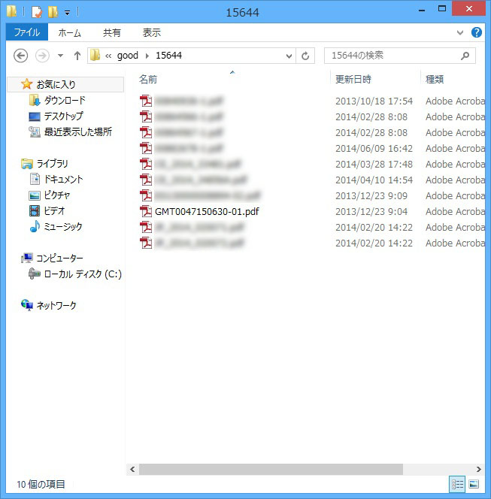
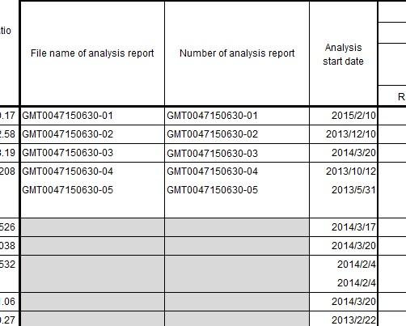

部品環境調査シートの、File name of analysis欄と、
分析データのファイル名が一致している。
“File name of analysis” on Parts enviroment survey sheet is matched with the name of analysis report (PDF) which you are going to submit.
零部件环境调查单的File name of analysis栏语分析数据的文件名称一致。

Ⅴ.Example answer_#bad
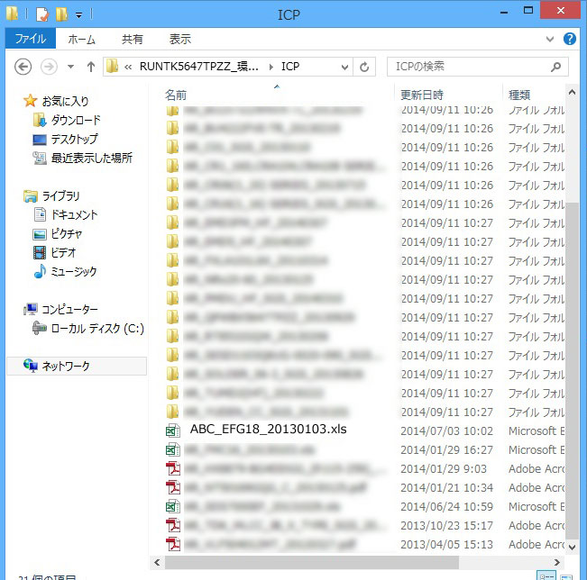
NGな例

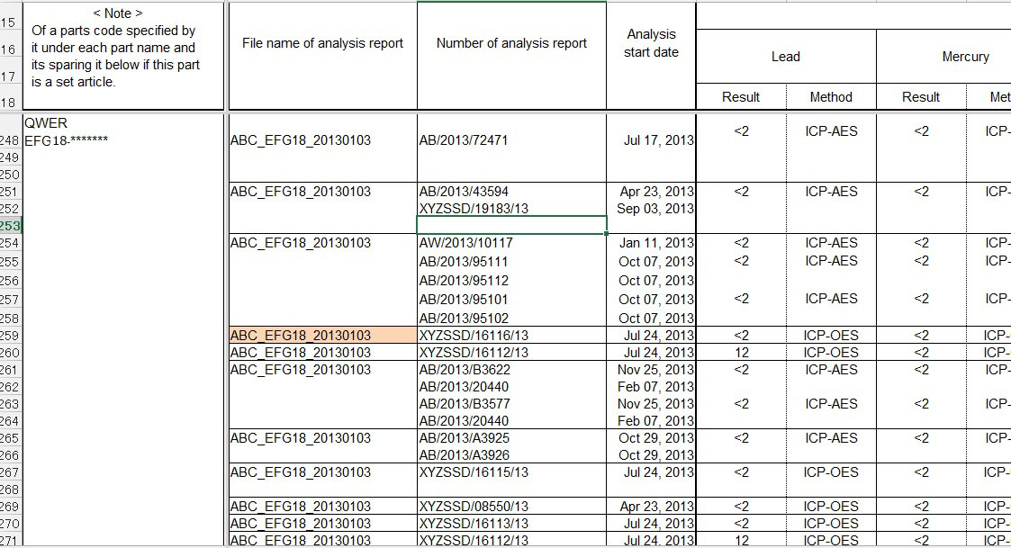

①部品環境調査シートの、File name of analysis欄は、
エクセルファイル名になっており、
① “File name of analysis” on Parts envrionment suvey sheet is matched with the name of Excel file/sheet....
①零部件环境调查单的File name of analysis栏为Excel文件名，

②そのエクセルファイルを開くと、シートに
分析データを添付しており、ひとつづつクリックして分析データを開く。
② If you attach analysis reports on the Excel file/sheet, especially in case of assembly-parts, we have to read/download one by one.
②打开此Excel文件，在清单上添加分析数据，逐个点击，打开分析数据。

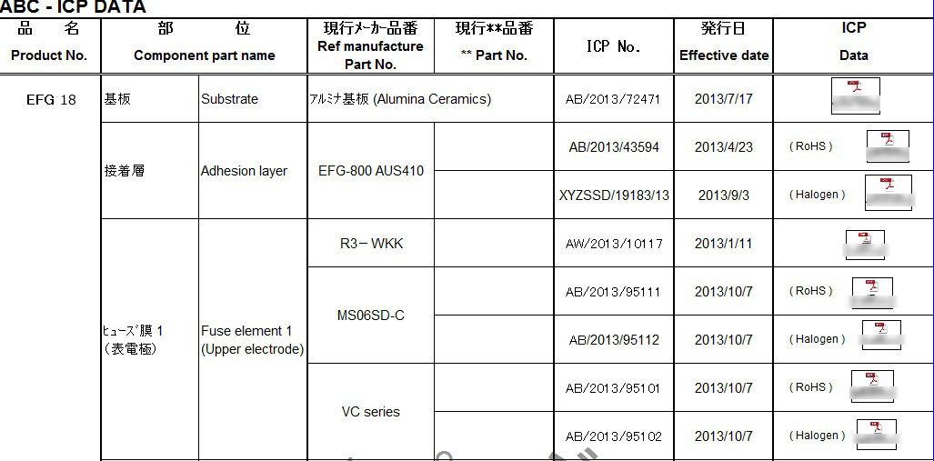


ひとつづつ
クリックする
逐个点击

提出する分析レポートは、部品環境調査シート等のExcelシート等にはりつけないでください。
分析レポートは、PDFのまま提出してください。
Please “do not ” attach analysis reprts on Excel file/sheet.
Please submit reports as PDF.
请不要将提交的分析报告粘贴到零部件环境调查单等的Excel单上。

Ⅵ.Homogeneous material
Example of homogeneous material （均質材料の例）
Rubber stopper
封止（シール）ゴム
Conductor
導体
Plating
めっき膜
Lead terminal
リード線
Internal element
内部エレメント
Sleeve(outer tube)
スリーブ
Electrolytic
solution
電解液
Case
ケース
Ink
インク
Metal foil
金属箔
Film
フィルム
Electrolysis
condenser
電解コンデンサ

Plating めっき
Conductor 導体
Insulator (interior coating)
絶縁体（内部被膜）
Jacket (exterior coating)
ジャケット（外部被膜）
Electric cable
電線

Coil コイル
Coil bobbin
コイルボビン
Core
コア
Core
コア
Pullout lesd
引き出しリード線
コイル・コアの含浸剤
絶縁部品
Transformers and inductors
トランス、インダクタ類

Semiconductor devices
半導体デバイス

Ink インク（捺印）
Plastic モールド樹脂
Gold wire
金ワイヤー
Lead freme
リードフレーム
Lead freme plating
リードフレーム表面処理（メッキ）
半導体チップ
Device chip
Adhesive
ダイボンド接着剤
断面図

